Notes
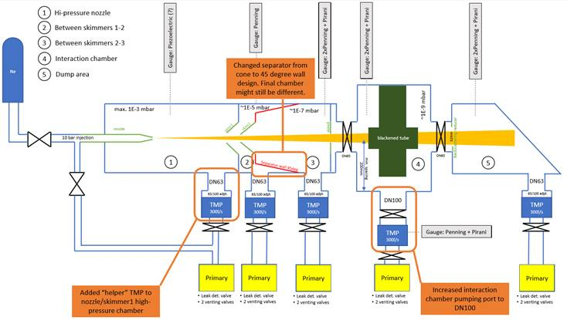
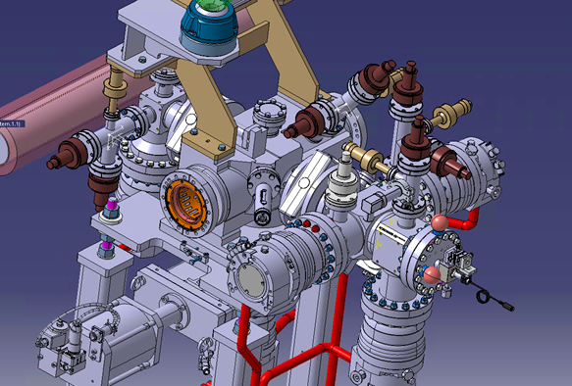
 | BGC - Gas injection |  |  | LHC beam vac | DUMP
 | Vol1 | Vol2 | Vol3
GAUGES | Active Membrane Gauge
 | Penning | Penning | Penning | Penning | Penning | 1 - the back valves could be a block
 | Pirani |  | Pirani |  | Pirani | 2- redundances of the valves coudl be removed even on LHC beam vacuum
GATE VALVE | - | - | - | GATE VALVE DN100 | GATE VALVE DN63 | 3 - primaries baseline, RV12: could be swapped to ACP but after lab tests here at CERN
TMP | Hipace 300 - CF - 1000m | Hipace 300 - CF - 1000m | Hipace 300 - CF - 1000m | Hipace 300 - CF - 1000m | Hipace 300 - CF - 1000m | 4 -primaries & pumping groups simplification possible after testing in lab with a different sequencing --> contact Gregory
VVT - venting turbo | VAT - Angle valve DN16KF | VAT - Angle valve DN16KF | VAT - Angle valve DN16KF | VAT - Angle valve DN16KF | VAT - Angle valve DN16KF
VVD - leak detector | VAT - Angle valve DN25KF | VAT - Angle valve DN25KF | VAT - Angle valve DN25KF | VAT - Angle valve DN25KF | VAT - Angle valve DN25KF
VVI - valve to primary | VAT - Angle valve DN25KF | VAT - Angle valve DN25KF | VAT - Angle valve DN25KF | VAT - Angle valve DN25KF | VAT - Angle valve DN25KF
VVP - venting primary | VAT - Angle valve DN25KF | VAT - Angle valve DN25KF | VAT - Angle valve DN25KF | VAT - Angle valve DN25KF | VAT - Angle valve DN25KF
Primary pump | Edwards - RV12 | Edwards - RV12 | Edwards - RV12 | Edwards - RV12 | Edwards - RV12

